User_story_review+agent
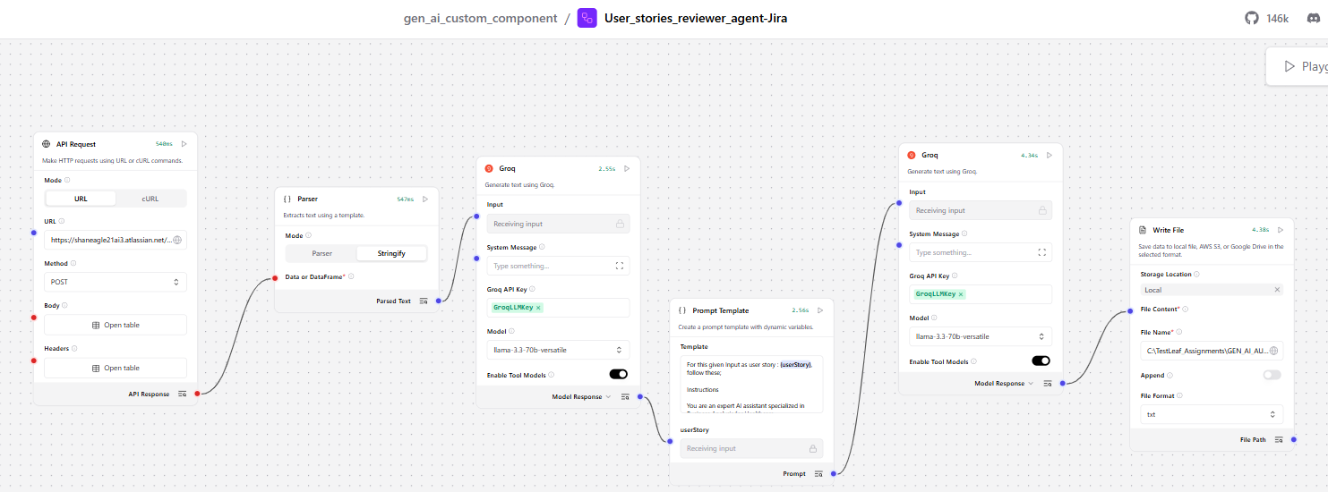

User Story Review and Analysis The provided user story appears to be a response from the Jira API, specifically from the `/rest/api/3/search/jql` endpoint. As a senior business analyst with expertise in healthcare IT systems, I will evaluate this user story against the following five parameters: Clarity, Completeness, Business Value Alignment, Testability, and Technical Feasibility. Parameter Scores | Parameter | Description | Score (out of 20) | | --- | --- | --- | | Clarity | The story is a JSON response from the Jira API, which may be difficult for non-technical stakeholders to understand. However, the data is well-structured and easy to navigate. | 14 | | Completeness | The response includes a single issue object with various fields, but it lacks explicit acceptance criteria and preconditions. | 12 | | Business Value Alignment | The issue appears to be related to a "Wards Dashboard View Request," which may have some relevance to healthcare operations. However, the connection to tangible healthcare value (e.g., patient safety, compliance) is not explicitly stated. | 15 | | Testability | The response includes a specific issue ID and fields, which could be used to derive test cases. However, the testability is limited by the lack of explicit acceptance criteria and preconditions. | 13 | | Technical Feasibility | The response is a JSON object, which is a standard format for API responses. The data can be easily parsed and processed by healthcare systems. | 18 | Overall Score The overall score is: 72 / 100 Improvement Areas To improve the quality of this user story, I recommend the following: 1. **Add explicit acceptance criteria**: Define specific conditions that must be met for the issue to be considered resolved, such as "The wards dashboard view request is successfully implemented and accessible to authorized personnel." 2. **Specify validation rules**: Include rules for validating the data in the issue fields, such as "The summary field must not exceed 25

